PNB (Alcohol)
DATE | INV NO. | DESCRIPTIONS | QTY | BILLS | UNIT PRICE | SUB TOTAL | TOTAL
6-Feb-2026 | SPNB2602345 | MANCINO BIANCO 750 ML | 3 | 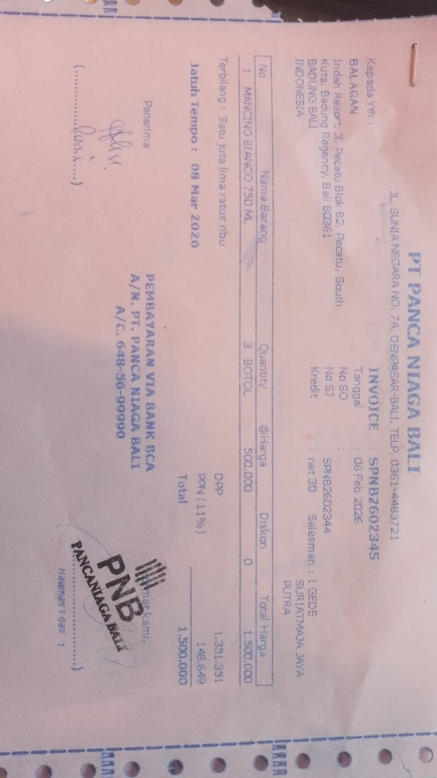 | IDR 500,000 | IDR 1,500,000 | IDR 1,500,000
 |  |  |  |  |  | IDR - | IDR -
 |  |  |  |  |  | IDR -
 |  |  |  |  |  | IDR -
 |  |  |  |  |  | IDR - | IDR -
 |  |  |  |  |  |  | Rp1,500,000

